Script
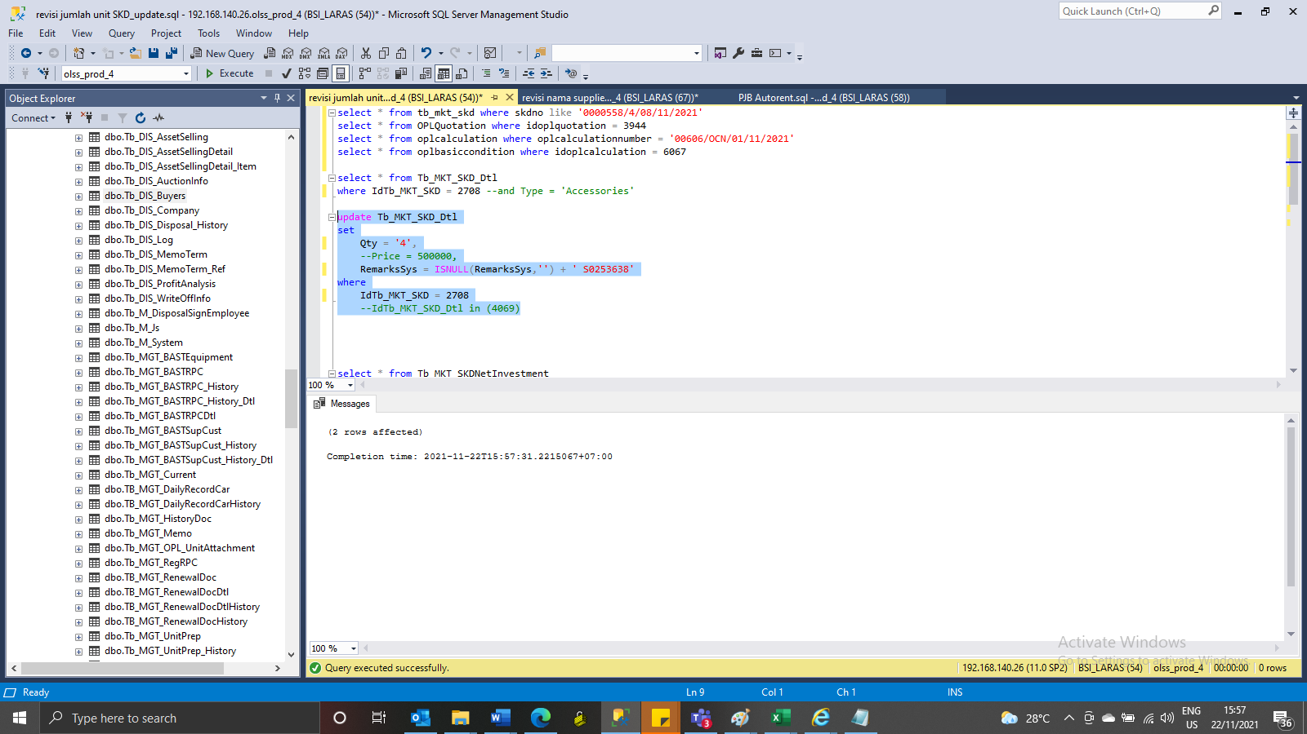
update Tb_MKT_SKD_Dtl
set
Qty = '4',
 | --Price = 500000,
RemarksSys = ISNULL(RemarksSys,'') + ' S0253638'
where
IdTb_MKT_SKD = 2708
 | --IdTb_MKT_SKD_Dtl in (4069)

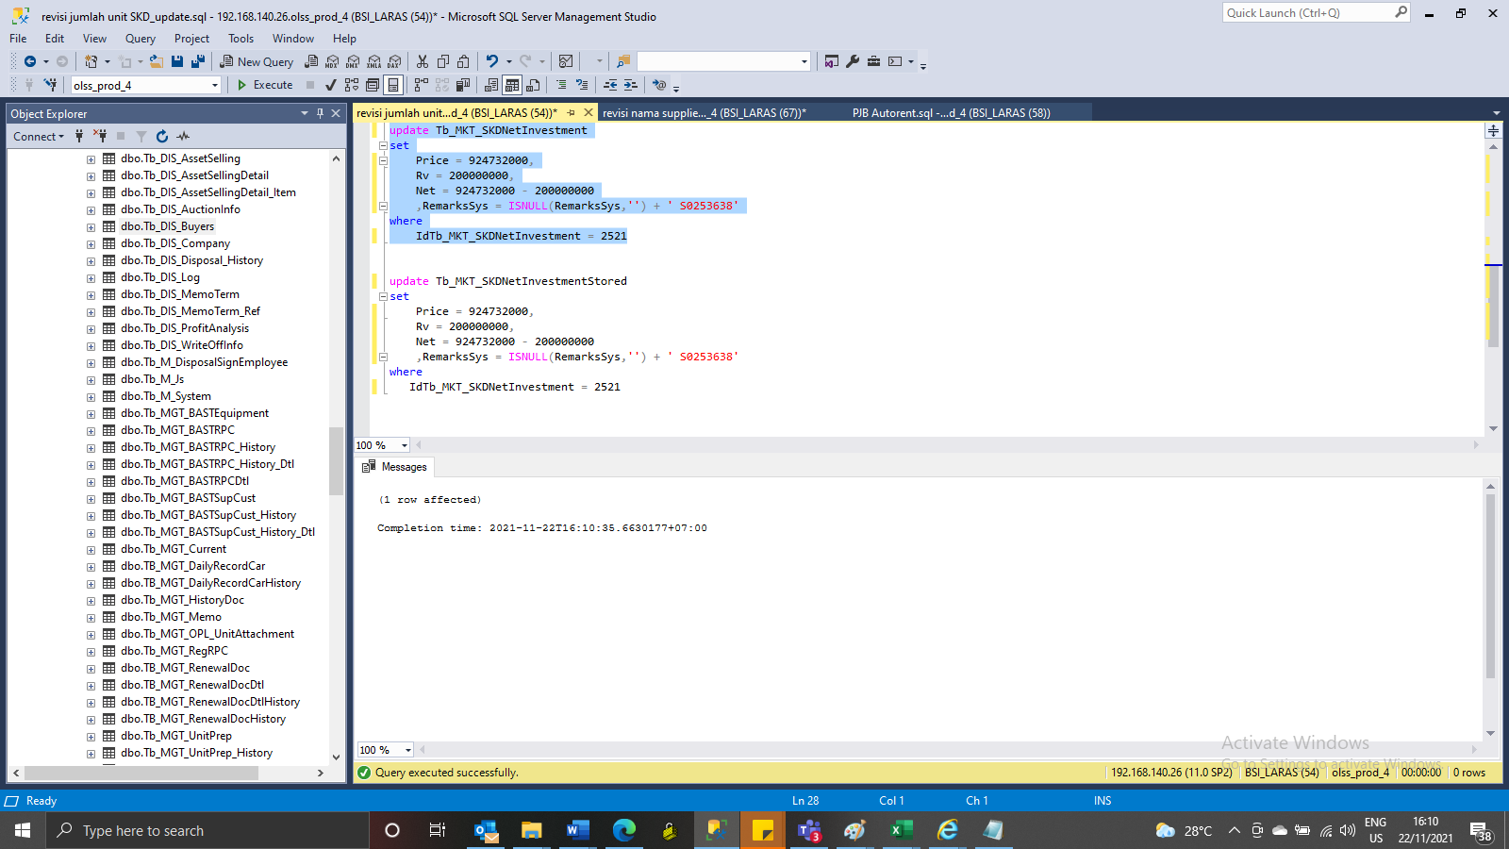
update Tb_MKT_SKDNetInvestment
set
Price = 924732000,
Rv = 200000000,
Net = 924732000 - 200000000
 | ,RemarksSys = ISNULL(RemarksSys,'') + ' S0253638'
where
IdTb_MKT_SKDNetInvestment = 2521

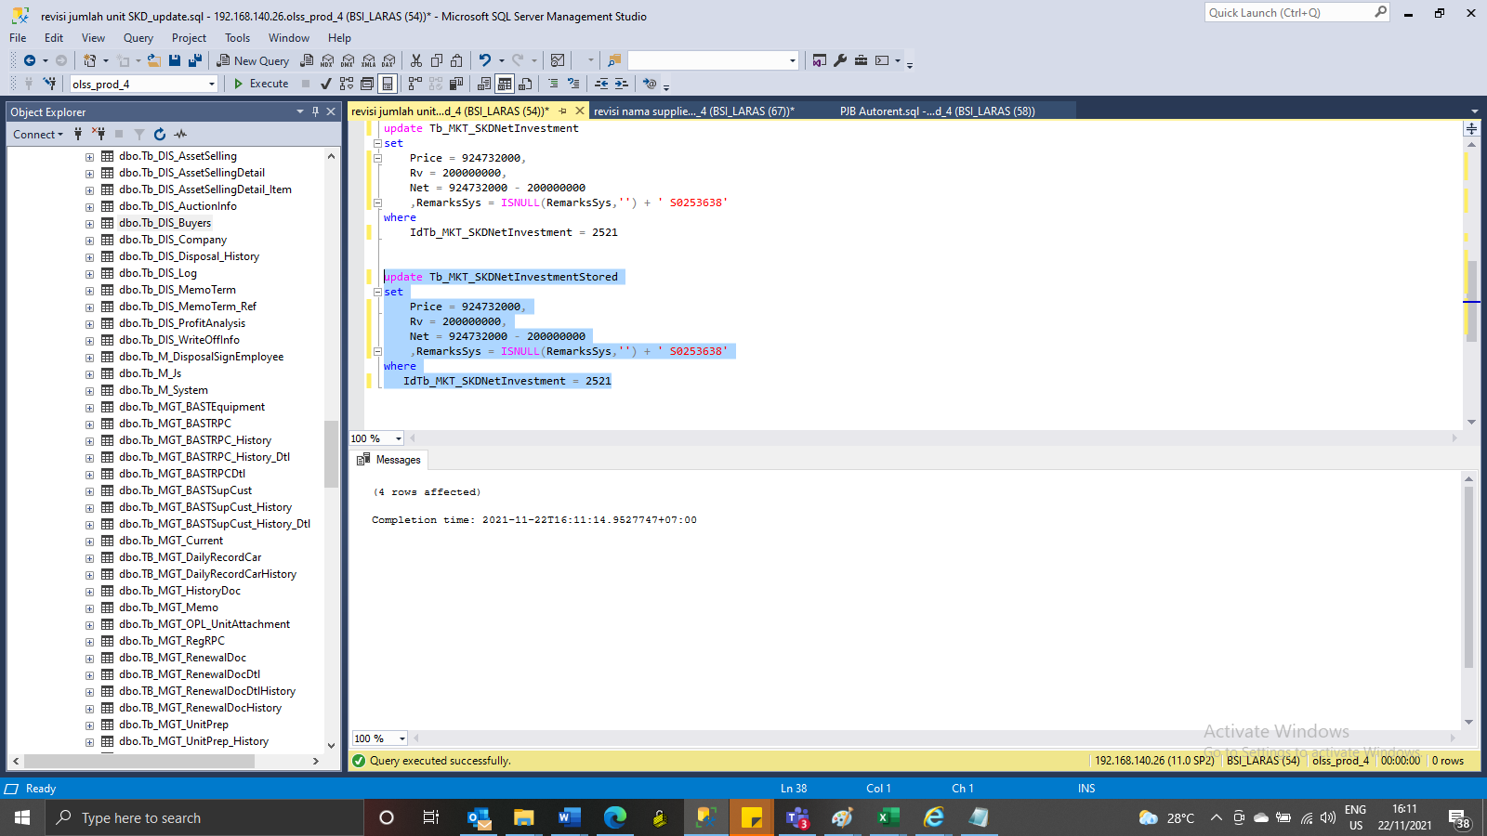
update Tb_MKT_SKDNetInvestmentStored
set
Price = 924732000,
Rv = 200000000,
Net = 924732000 - 200000000
 | ,RemarksSys = ISNULL(RemarksSys,'') + ' S0253638'
where
IdTb_MKT_SKDNetInvestment = 2521

Capture
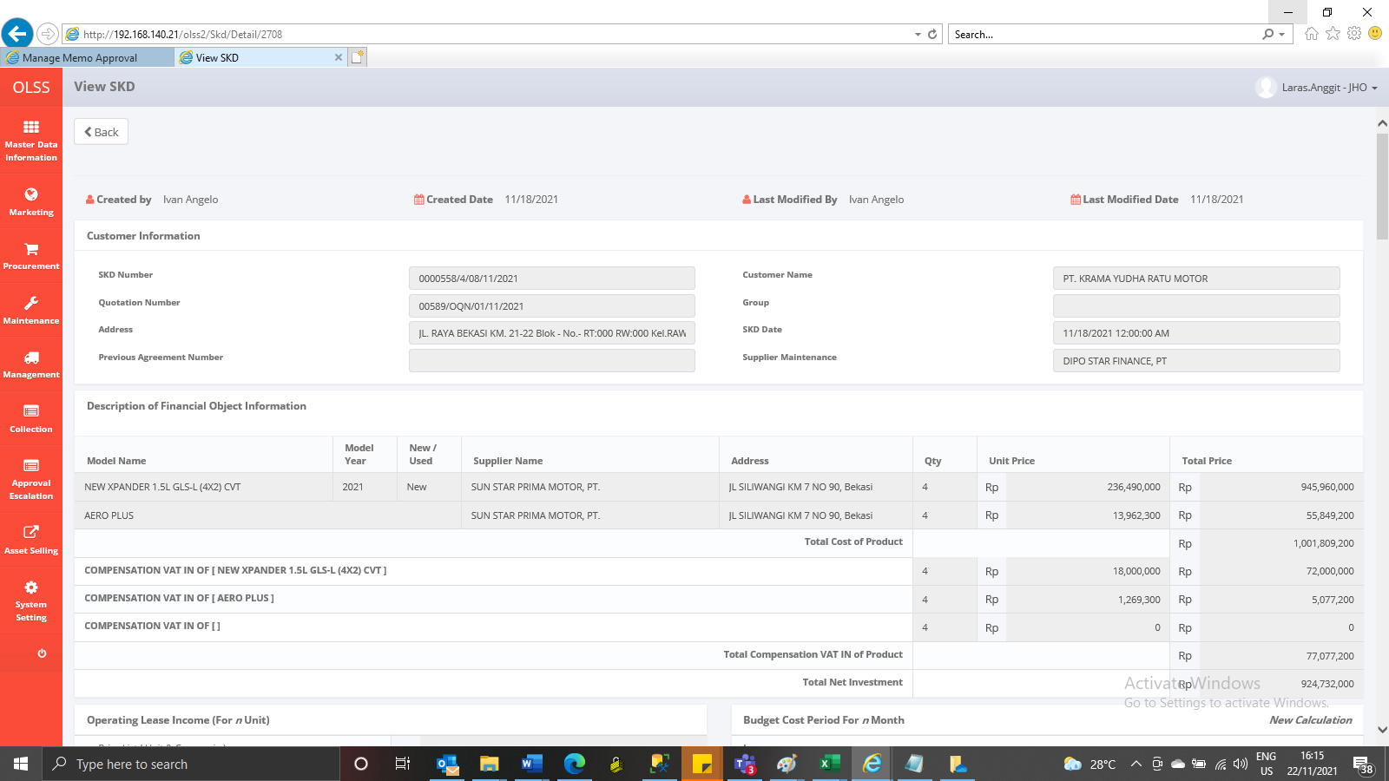
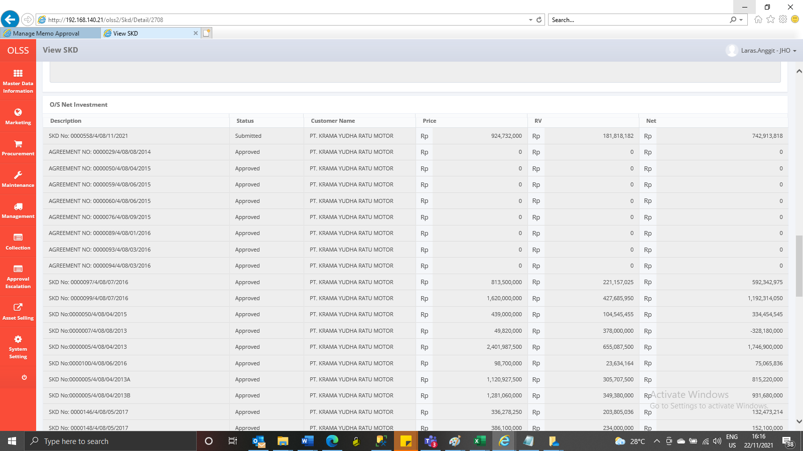
Before
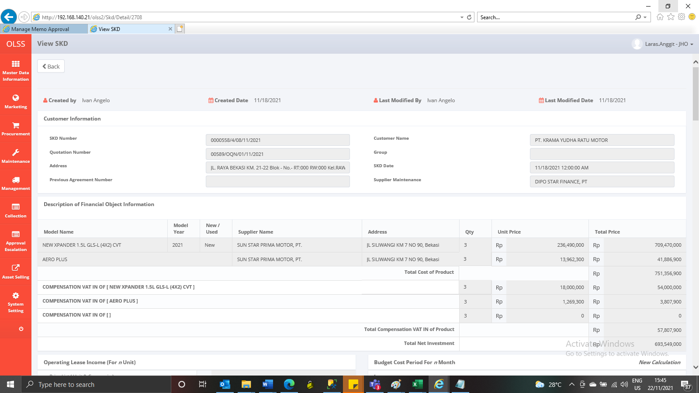

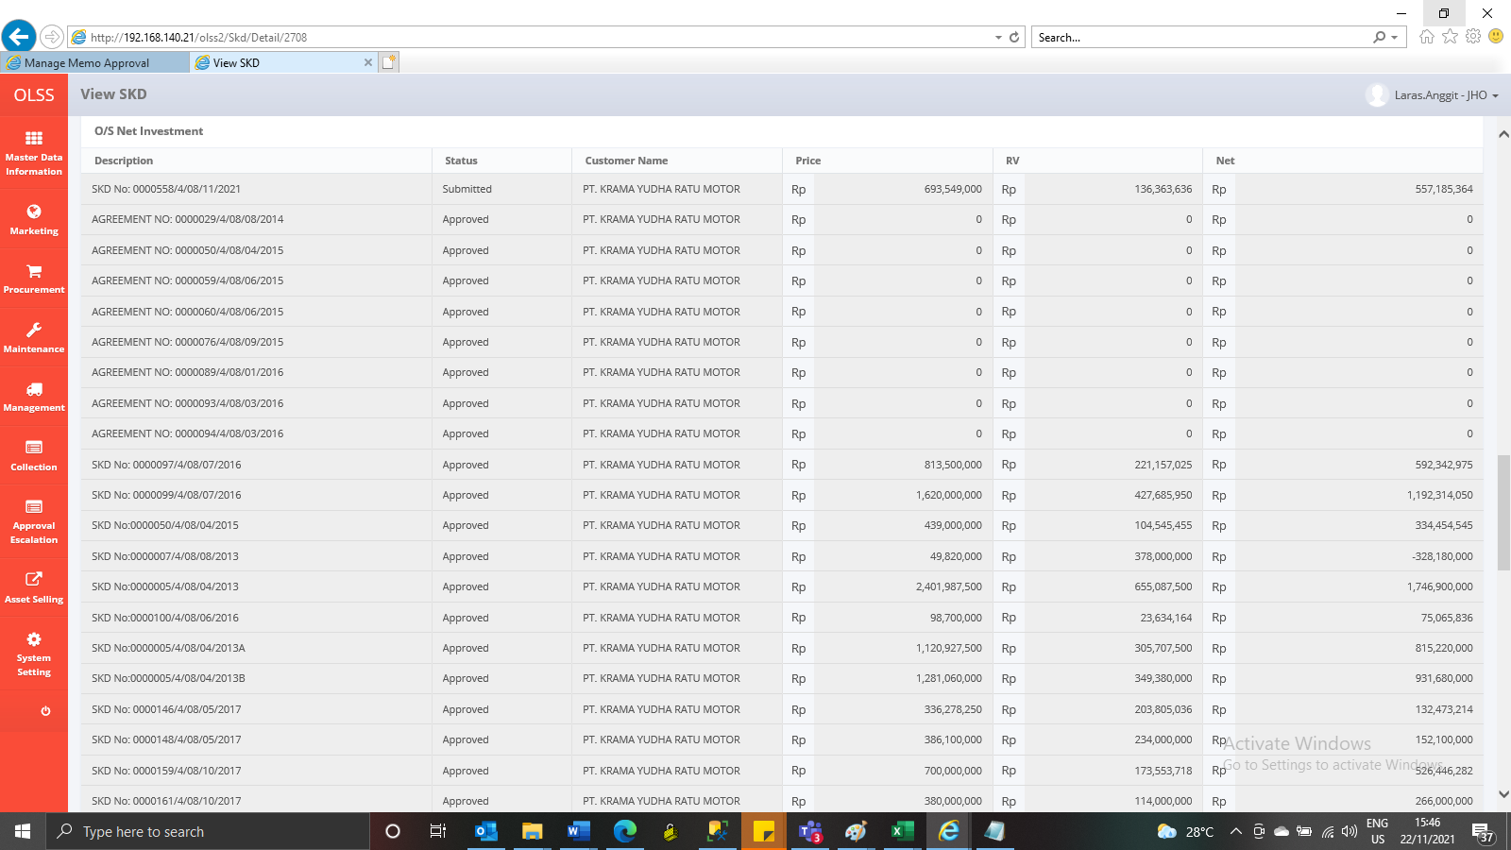

After

